Z-Score
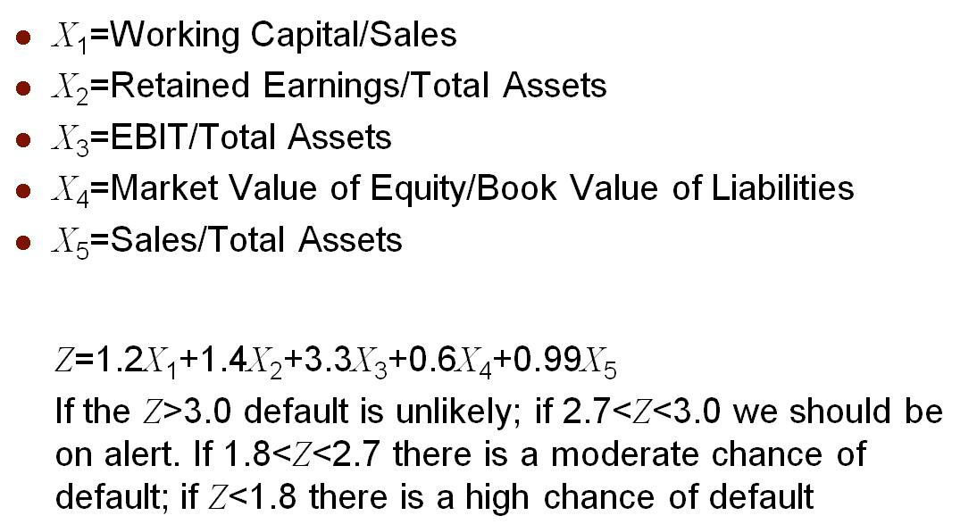
MSFT (Microsoft) Altman Z-Score
 | $(In Million)
WORKING CAPITAL | 34,448.00
TOTAL ASSETS | 512,163.00
RETAINED EARNINGS | 173,144.00
EARNINGS BEFORE INTEREST AND TAXES | 107,787.00
BOOK VALUE OF LIABILITIES | 243,686.00
SALES | 245,122.00
NUMBER OF SHARES ISSUES | 7,434.00 | (only outstanding)
CURRENT SHARE PRICE | 423.98000

Year - 2008
X1 | 0.14
X2 | 0.34
X3 | 0.21
X4 | 12.93
X5 | 0.48

Z-SCORE | 9.57

Bankrupty? | Unlikely

